1896-S
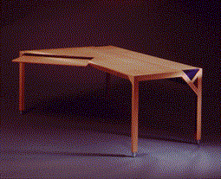
 | ATHENS Desk

 | Item No | 1896-S

 | List Price | $649.40
 | Qty In Inventory | 217

 | Net Weight (lbs) | 34.60
 | Gross Weight (Lbs) | 39.79

Note
A "Refresh" may be required for the image above to show.
This report provides a Product Sheet for each item number in a database which has a picture. If the database has no pictures of items, this report will not function.

1906-S
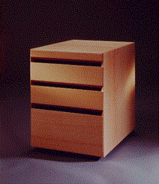
 | ATHENS Mobile Pedestal

 | Item No | 1906-S

 | List Price | $281.40
 | Qty In Inventory | 194

 | Net Weight (lbs) | 17.10
 | Gross Weight (Lbs) | 19.67

Note
A "Refresh" may be required for the image above to show.
This report provides a Product Sheet for each item number in a database which has a picture. If the database has no pictures of items, this report will not function.

1908-S
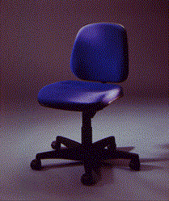
 | LONDON Swivel Chair, blue

 | Item No | 1908-S

 | List Price | $123.30
 | Qty In Inventory | 330

 | Net Weight (lbs) | 13.90
 | Gross Weight (Lbs) | 15.99

Note
A "Refresh" may be required for the image above to show.
This report provides a Product Sheet for each item number in a database which has a picture. If the database has no pictures of items, this report will not function.

1920-S
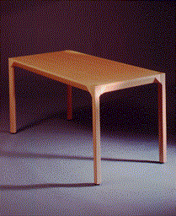
 | ANTWERP Conference Table

 | Item No | 1920-S

 | List Price | $420.40
 | Qty In Inventory | 226

 | Net Weight (lbs) | 24.40
 | Gross Weight (Lbs) | 28.06

Note
A "Refresh" may be required for the image above to show.
This report provides a Product Sheet for each item number in a database which has a picture. If the database has no pictures of items, this report will not function.

1928-W
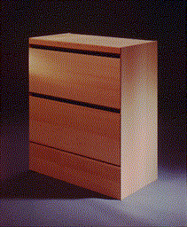
 | ST.MORITZ Storage Unit/Drawers

 | Item No | 1928-W

 | List Price | $342.10
 | Qty In Inventory | 215

 | Net Weight (lbs) | 23.10
 | Gross Weight (Lbs) | 26.58

Note
A "Refresh" may be required for the image above to show.
This report provides a Product Sheet for each item number in a database which has a picture. If the database has no pictures of items, this report will not function.

1952-W
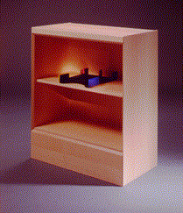
 | OSLO Storage Unit/Shelf

 | Item No | 1952-W

 | List Price | $158.50
 | Qty In Inventory | 161

 | Net Weight (lbs) | 15.80
 | Gross Weight (Lbs) | 18.19

Note
A "Refresh" may be required for the image above to show.
This report provides a Product Sheet for each item number in a database which has a picture. If the database has no pictures of items, this report will not function.

1964-S
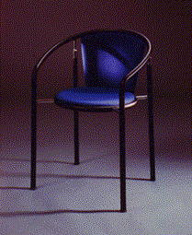
 | TOKYO Guest Chair, blue

 | Item No | 1964-S

 | List Price | $125.10
 | Qty In Inventory | 265

 | Net Weight (lbs) | 8.30
 | Gross Weight (Lbs) | 9.55

Note
A "Refresh" may be required for the image above to show.
This report provides a Product Sheet for each item number in a database which has a picture. If the database has no pictures of items, this report will not function.

1976-W
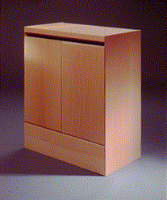
 | INNSBRUCK Storage Unit/W.Door

 | Item No | 1976-W

 | List Price | $256.10
 | Qty In Inventory | 194

 | Net Weight (lbs) | 19.00
 | Gross Weight (Lbs) | 21.88

Note
A "Refresh" may be required for the image above to show.
This report provides a Product Sheet for each item number in a database which has a picture. If the database has no pictures of items, this report will not function.

1984-W
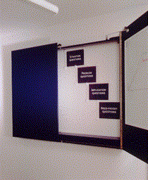
 | SARAJEVO Whiteboard, blue

 | Item No | 1984-W

 | List Price | $974.80
 | Qty In Inventory | 210

 | Net Weight (lbs) | 71.40
 | Gross Weight (Lbs) | 82.11

Note
A "Refresh" may be required for the image above to show.
This report provides a Product Sheet for each item number in a database which has a picture. If the database has no pictures of items, this report will not function.

70102
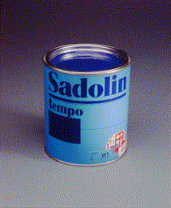
 | Paint, blue

 | Item No | 70102

 | List Price | $2.70
 | Qty In Inventory | 3608

 | Net Weight (lbs) | 1.60
 | Gross Weight (Lbs) | 1.84

Note
A "Refresh" may be required for the image above to show.
This report provides a Product Sheet for each item number in a database which has a picture. If the database has no pictures of items, this report will not function.

